User Guide
X-Road Security Server Cost Calculator

 | X-Road Security Server Cost Calculator Guide

 | Cost Calculator Overview

 | OBJECTIVE
The aim of this cost calculator is to provide a high-level estimate of X-Road implementation and maintenance costs to organizations that are planning to join an existing ecosystem as a member who needs a Security Server.

 | APPROACH

The cost calculator consists of 2 main parts:
- the cost of infrastructure resources, trust service fees, additionional costs;
- the cost of efforts involved in deploying, configuring and maintaining the Security Server(s) and the administrative processes for joining an ecosystem.
The values have been pre-filled with illustrative defaults to aid the user in filling the actual parameters. The user should always configure the values to fit the specifics of their organization and ecosystem.
The default value of the Average daily FTE rate is an example that does not illustrate the actual rate of any vendor.

 | USERS

This calculator is intended for service provider or service consumer CTOs, project managers, architects or anyone wishing to estimate the necessary activities and costs of joining an X-Road ecosystem. For more detailed configuration of the values, some technical understanding of the X-Road architecture and the requirements of the ecosystem are required.

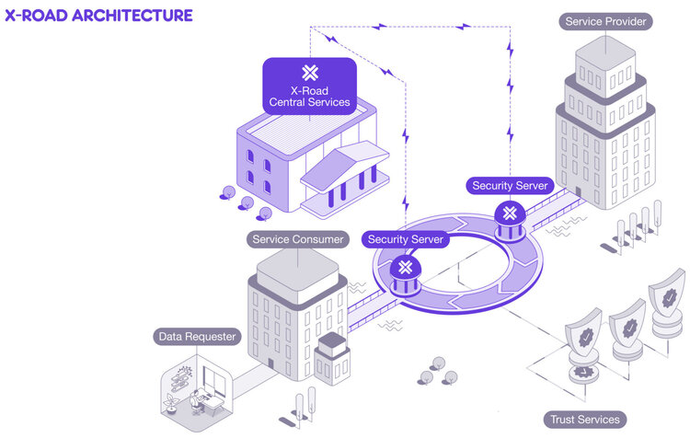

 | DEFAULT VALUES
The default values in the infrastructure resources and efforts are inspired by existing X-Road implementations. These include:
3 instances of X-Road (development, testing and production)
In the development environment, the member has 1 Security Server
In the test environment, the member has 1 Security Server
In the production environment, the member has 2 Security Servers
It is assumed that trust services in the test and production environments are offered by a third party trust service provider
These defaults are inspired by existing X-Road implementations, but the deployment architecture depends on the specific requirements and capabilities of the organization and the requirements of the ecosystem. For instance, for some organizations having 1 Security Server in the production environment might be enough. For mission critical service providers it might be necessary to have Security Server clusters with distributed load balancing. Additionally, some ecosystems might require paid third party trust services while others offer them for free. The use of a certified HSM device might be required by some trust service providers.

 |  |  | X-Road Architecture |  |  | X-Road Security Server System Requirements

 | USING THE IMPLEMENTATION COST CALCULATOR

 |  | 1. Configure the resources |  | 2. Configure the implementation efforts |  |  | 3. Configure the maintenance FTE allocation

 |  |  |  |  | The output
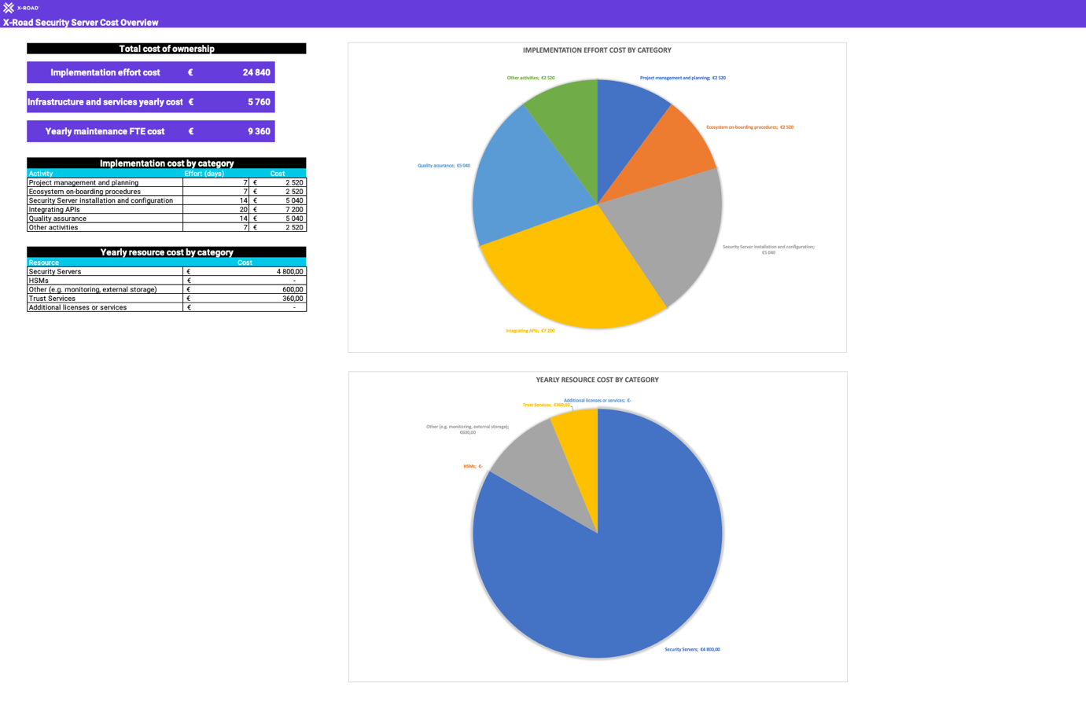

 | Get started >

 | ADDITIONAL RESOURCES |  |  | COPYRIGHT

 | The official X-Road webpage |  |  | Nordic Institute for Interoperability Solutions (NIIS)

 | The X-Road GitHub repository |  |  | X-Road License Info

 | The X-Road Knowledge Base

 | The X-Road Service Desk

Cost Overview
X-Road Security Server Cost Overview

Implementation EFFORT COST By Category
Project management and planning | €3080
Ecosystem on-boarding procedures | €3080
Security Server installation and configuration | €880
Integrating APIs and services | €6160
Quality assurance | €3080
Other activities | €3080
 | Total cost of ownership

 | Implementation effort cost | €19,360

 | Infrastructure and services yearly cost | €6,480

 | Yearly maintenance FTE cost | €11,440

 | Implementation cost by category
 | Activity | Effort (days) | Cost
 | Project management and planning | 7 | €3,080
 | Ecosystem on-boarding procedures | 7 | €3,080
 | Security Server installation and configuration | 2 | €880
 | Integrating APIs and services | 14 | €6,160
 | Quality assurance | 7 | €3,080
 | Other activities | 7 | €3,080

 | Yearly resource cost by category
 | Resource | Cost
 | Security Servers | €4,800.00
 | HSMs | €-
 | Other (e.g. monitoring, external storage) | €600.00
 | Trust Services | €1,080.00
 | Additional licenses or services | €-

Yearly resource cost by category
Security Servers | €4800.00
HSMs | €-
Other (e.g. monitoring, external storage) | €600.00
Trust Services | €1080.00
Additional licenses or services | €-

Trust Services Readme
X-Road Implementation Cost Calculator

 | Trust Services Overview

Trust Service Providers on X-Road
A functioning X-Road ecosystem requires two types of trust services: 1) time-stamping authority (TSA) and 2) certification authority (CA). Trust Service Providers are organizations providing these services. Trust Service Providers may be commercial third parties, or the services can be provided and maintained by the X-Road Operator too.
TIME-STAMPING AUTHORITY (TSA)
All the messages sent via X-Road are time-stamped and logged by the Security Server. The purpose of the time-stamping is to certify the existence of data items at a certain point in time. The TSA provides a time-stamping service that the Security Server uses for time-stamping all the incoming/outgoing requests/responses. Only trusted TSAs that are defined in the Central Server can be used.
The time-stamping authority must implement the time-stamping protocol supported by X-Road. X-Road uses batch time-stamping, which reduces the load of the time-stamping service. The load does not depend on the number of messages exchanged over the X-Road. Instead, it depends on the number of Security Servers in the system.
CERTIFICATION AUTHORITY (CA)
The certification authority (CA) issues certificates to Security Servers (authentication certificates) and X-Road member organizations (signing certificates). Authentication certificates are used for securing the connection between two Security Servers. Signing certificates are used for digitally signing the messages sent by X-Road members. Only certificates issued by trusted certification authorities that are defined in the Central Server can be used.
The Security Server checks the validity of the signing and authentication certificates via the Online Certificate Status Protocol (OCSP). Each Security Server is responsible for querying the validity information of its certificates and then sharing the information with other Security Servers as a part of the message exchange process. Only Security Servers with valid signing and authentication certificates can exchange messages with other Security Servers.
TRUST SERVICE COSTS
Information about the trust service costs should be published by the trust service provider or the X-Road Operator. Overall, following formula can be used for calculating the costs:
Number of AUTH certificates * AUTH certificate monthly cost +
Number of SIGN certificates * SIGN certificate monthly cost +
Number of OCSP queries per month * OCSP query cost +
Number of timestamping queries per month * timestamping query cost.
SIGN certificates are used per organization and AUTH certificates are used per Security Server. OCSP queries are performed per certificate and timestamping queries are performed per Security Server. The default query intervals are 600 seconds for OCSP queries and 60 seconds for timestamping queries.
The X-Road operator can configure the query intervals for OCSP and time-stamping requests. This can be useful for cost optimization for both the Operator and Members of the ecosystem, when a paid third party trust service provider is used. For instance, Estonia has chosen to increase the intervals for this reason.
More information about these systems parameters can be found on a blog post on the NIIS website.

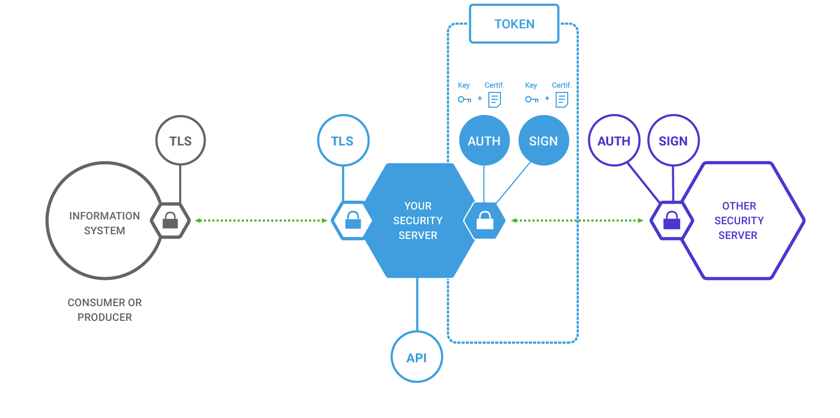

 | NIIS Blog Post

 | Back to calculator

